Instructions
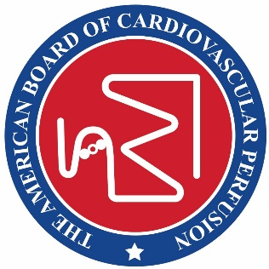 American Board of Cardiovascular Perfusion The American Board of Cardiovascular Perfusion 555 E. Wells Street, Suite 1100 Milwaukee, WI 53202 Phone: (414) 918-3008 Fax: (414) 276-3349 Email: abcp@abcp.org

SDCE Request for Approval Form
Self-Directed Continuing Education (SDCE) is education provided to individuals who are not physically 'onsite.' Rather than attending meetings or courses in person, participants may communicate at times of their own choosing by exchanging printed or electronic media. This form must be completed by organizations, agencies, or individuals who want to offer a program to Certified Clinical Perfusionists (CCPs) that will satisfy part of the continuing professional education requirement for certification. In addition to the information on this form, please submit the following: a. a sample of the course evaluation form, attendance method or daily sign-in sheet, a certificate or letter of CEU credit confirming the completion of the SDCE post-test; b. a list of faculty with titles, credentials, affiliation, and/or qualifications; and c. an application fee* which may be paid by check or credit card. To obtain Category I credit, the SDCE material should meet the following criteria: a. SDCE content must meet all current Category I meeting requirements. b. The length should be 50 minutes of activity or ten full pages of text per CEU. c. SDCE materials should include a post-test that contains a minimum of eight questions per CEU. Post-tests are to be graded by the sponsor and participants are to achieve an 80% pass rate in order to receive credit. d. Application fee for SDCE shall be from the CEU Tiered Fee table and be payable to the ABCP. e. SDCE material available for more than one year must have CEUs renewed each year. *The tiered meeting application fee structure for meetings, webinars, and SDCEs is as follows: Tier I: from 1-10 SDCEs = $200 application fee then $10/CEU Tier II: from 11-20 SDCEs = $350 application fee then $10/CEU Tier III: from 21-30 SDCEs = $450 application fee then $10/CEU Tier IV: for 31 or more SDCEs = $600 application fee the $10/CEU Late fee: $150 Applications not completed by the date of availability t

Instructions for Completing the Approval Form
Fill out the information on the Form tab.
For events with a single contact time, complete the information on the Module tab.
Please provide specific information for the module including total contact time, title, speaker/author with credentials, and objectives met.

Forms
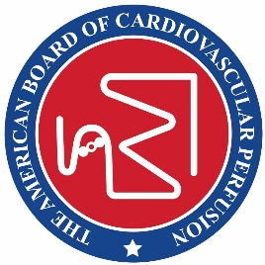 American Board of Cardiovascular Perfusion 2903 Arlington Loop Hattiesburg, MS 39401 (601) 268-2221 Fax: (601) 268-2229 Email: abcp@abcp.org

Recertification #:

Professional Self-Directed Continuing Education Request for Program Approval
Click here for Instructions.

CONTACT INFORMATION
Name of Contact Person Responsible for Program:

Address: (Street, City, State, & Zip)

Phone Number: | Fax Number:
Email Address:
PROGRAM INFORMATION
Program Title:

Name of Program Sponsor:
Program Location(s): City, State | Program Web Address:
Date of Request:

Perfusion meetings are those programs and seminars in which a minimum of 75% of the contact hours consists of perfusion-related material. Give a brief overview of the content as it relates to perfusion.

Target Audience(s):
Total Contact Minutes Requested (calculates from Schedule tab): |  | 0.00
Total Category 1 SDCEs requested (calculates from SDCE Assignment tab):

Please click on the Day tabs below to enter the Program Schedule information.
Revised 06/07/17 ct

